statment
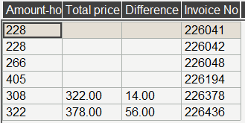
Booking No. | Invoice No. | Res_date | Arrival | Departure | Rate code | Night | Rate $ | Amount-hotel
116344159055 | 226041 | 05/02/2024 | 24/02/2024 | 01/03/2024 | DBL - STD | 6 | 38.00 | 228.00
116314162557 | 226042 | 13/02/2024 | 24/02/2024 | 01/03/2024 | DBL - STD | 6 | 38.00 | 228.00
116364160480 | 226048 | 07/02/2024 | 23/02/2024 | 01/03/2024 | DBL - STD | 7 | 38.00 | 266.00
116314164339 | 226061 | 21/02/2024 | 23/02/2024 | 01/03/2024 | SGL - DLX | 7 | 33.00 | 231.00
115324150657 | 226091 | 21/02/2024 | 24/02/2024 | 02/03/2024 | SGL - STD | 7 | 30-43 | 223.00
116304165618 | 226097 | 21/02/2024 | 24/02/2024 | 02/03/2024 | DBL - STD | 7 | 38-54 | 282.00
116394165662 | 226144 | 21/02/2024 | 25/02/2024 | 03/03/2024 | DBL - STD | 7 | 38-54 | 298.00
116324162923 | 226147 | 20/02/2024 | 25/02/2024 | 03/03/2024 | DBL - STD | 7 | 38-54 | 298.00
116314164575 | 226149 | 24/02/2024 | 25/02/2024 | 03/03/2024 | DBL - STD | 7 | 38-54 | 298.00
116324165290 | 226187 | 23/02/2024 | 26/02/2024 | 04/03/2024 | SGL - STD | 7 | 30-43 | 249.00
116374162287 | 226194 | 10/02/2024 | 26/02/2024 | 04/03/2024 | SGL - DLX | 7 | 33-91 | 405.00
116324164668 | 226197 | 19/02/2024 | 26/02/2024 | 04/03/2024 | DBL - STD | 7 | 38-54 | 314.00
116354166603 | 226220 | 27/02/2024 | 28/02/2024 | 05/03/2024 | DBL - STD | 6 | 38-54 | 292.00
116354165842 | 226250 | 21/02/2024 | 25/02/2024 | 06/03/2024 | DBL - STD | 10 | 38-54 | 460.00
116394164177 | 226267 | 19/02/2024 | 29/02/2024 | 07/03/2024 | DBL- DLX | 7 | 44-60 | 404.00
116324210792 | 226378 | 01/03/2024 | 02/03/2024 | 09/03/2024 | DBL - STD | 7 | 44.00 | 308.00
116374209906 | 226436 | 29/02/2024 | 02/03/2024 | 09/03/2024 | DBL - STD | 7 | 46.00 | 322.00
116394212052 | 226459 | 02/03/2024 | 03/03/2024 | 10/03/2024 | DBL - STD | 7 | 44.00 | 308.00
115334200681 | 226508 | 03/03/2024 | 04/03/2024 | 10/03/2024 | DBL - FAM | 6 | 74.00 | 444.00
116344209125 | 226572 | 26/02/2024 | 03/03/2024 | 10/03/2024 | SGL - STD | 7 | 43.00 | 301.00
116344212231 | 226580 | 03/03/2024 | 05/03/2024 | 11/03/2024 | DBL - STD | 6 | 44.00 | 264.00
116354211723 | 226585 | 03/03/2024 | 05/03/2024 | 11/03/2024 | DBL - STD | 6 | 44.00 | 264.00

spo 29.02 to 01.03
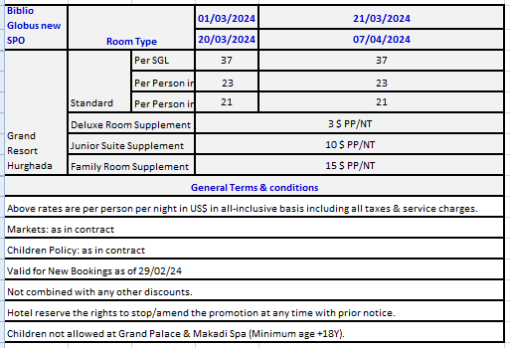
first date | second date | SGL - STD | SGL - DLX | SJ | D | DBL - STD | DBL- DLX | DBL - J.S | DBL - FAM | TPL | TPL - J.S | TF
2024-03-01 | 2024-04-07 | 37 | 40 | 47 | 23 | 46 | 52 | 66 | 76 | 21 | 93 | 108

spo 02.03 to 14.03
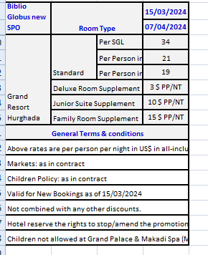
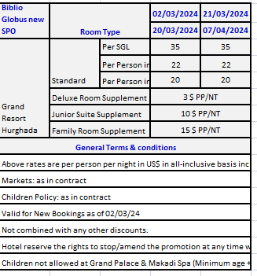
first date | second date | SGL - STD | SGL - DLX | SJ | D | DBL - STD | DBL- DLX | DBL - J.S | DBL - FAM | TPL | TPL - J.S | TF
2024-03-02 | 2024-04-07 | 35 | 38 | 45 | 22 | 44 | 50 | 64 | 74 | 20 | 90 | 105

